General Information
General Information
1. Company Information
Company name | Micro-Star International Company Limited
Brand / Logo
Address | No.69, Lide St., Zhonghe Dist., New Taipei City 235, Taiwan R.O.C.
Phone | +886-2-3234-5599
Fax | +886-2-3234-5478
Web | www.msi.com
DUNS No. | 65-603-7512
Product photos / pictures of appearance
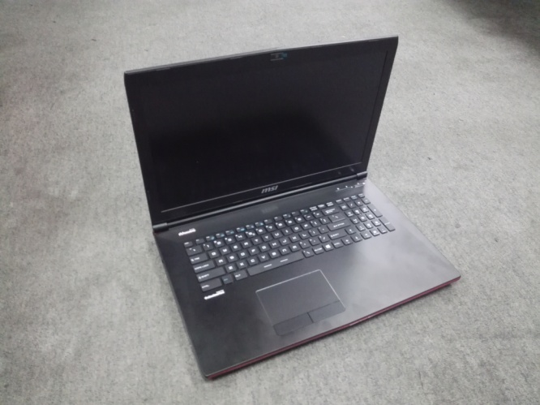 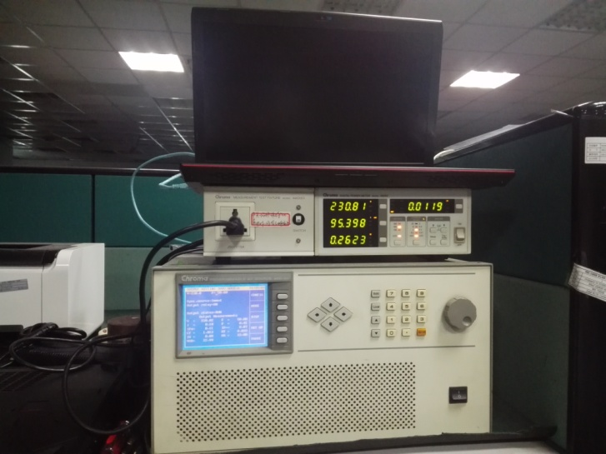 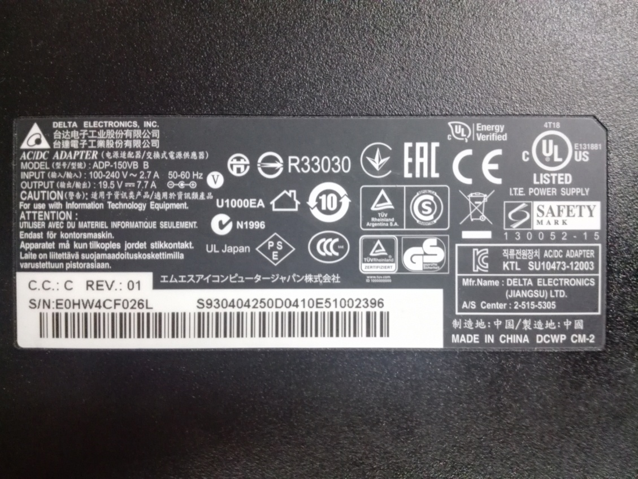

2. Product Information
The product model name |  | MS-1793/GP72 2QE
Product type |  | Notebook computers |  |  |  | Intended used at home/school /office.
The year of manufacture |  | 2015
maximum power (Watts) (applies only to computer server)
Power demand |  | Category B
Idle state(Watts) |  | 13.75
Sleep mode (Watts) |  | 0.65
Sleep mode with WOL enabled (Watts) |  | 0.73
Off mode (Watts) |  | 0.52
Off mode with WOL enabled (Watts) |  | 0.53
Internal power supply efficiency |  | 10% load (%) | 20% load (%) |  | 50% load (%) |  | 100% load (%)

External power supply efficiency |  | 0% load (Watts) | 25% load (%) |  | 50% load (%) |  | 75% load (%) | 100% load (%)

external power supply efficiency (Average of Efficiency) |  | 88.70%
noise levels (the declared A-weighted sound power level) |  | Idle Mode |  | 14.4
 |  | Operation Mode |  | 33.1
the minimum number of loading cycles that the batteries can withstand (applies only to notebook computers) |  | 300
Viewable diagonal screen size (inches) |  | 17
for products with an integrated display containing mercury, the total content of mercury as (mg): |  | N/A
Product weight (Kg) (including packaging) |  | 2.97
Product Size (L * W * H , mm) |  | 420*288*32
Product descriptions |  | "Notebook computer" means a computer designed specifically for portability and to be operated for extended periods of time either with or without a direct connection to an AC power source. Notebook computers utilise an integrated display, with a viewable diagonal screen size of at least 22.86cm (9 inches), and are capable of operation on an integrated battery or other portable power source.

